General BL Req
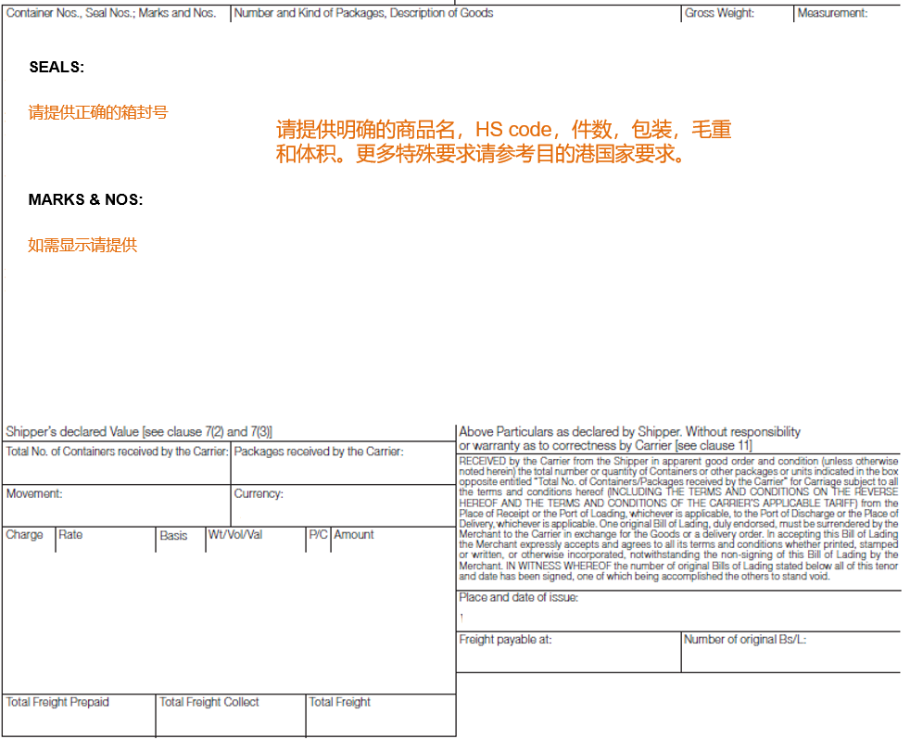
General BL Guide

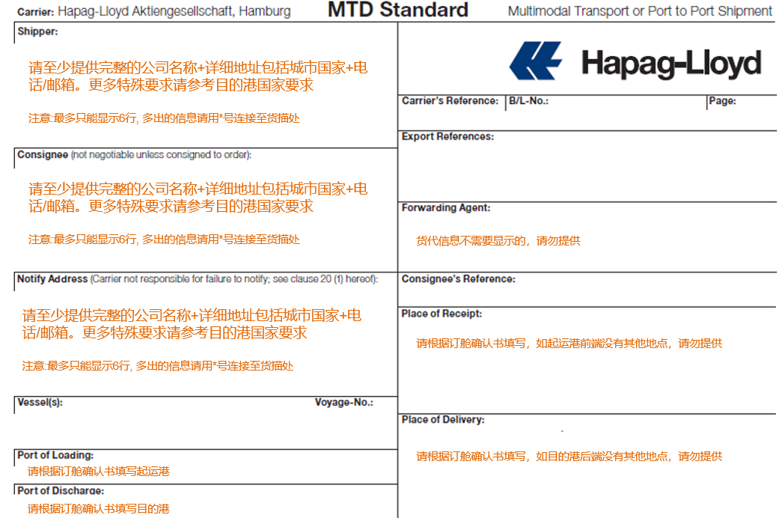

温馨提示：
1.如果有指定付款人或付款地，请在remark 中备注详细的信息。
2.如果有不需要显示的内容请在remark 备注清楚，我们会根据国家要求进行修改。
3.自备箱请分别提供净重，皮重，毛重，并显示在货描中。

